INPUT
B2S

XL DATA

Site ID | : | JAW-JK-KYB-0273
Site Name | : | JAGAKARSA LENTENG AGUNG
Candidat | : | B
Project Deff | :
Project Type | : | B2S NEWSITE PROJECT
RBS Antenna Height | : | 20 | 20 | 20
RBS Antenna Direction | : | 60 | 180 | 300
Date | : | 2022-11-07
COORDINAT NOM |  |  |  | Lat | : | -6.341708
 |  |  |  | Long | : | 106.83804
TBG.SYS DATA

Site Address | :
 |  | Jl. Camar RT005 RW05, Kel. Pasir Gunung, Kec. Cimanggis, Kota Depok, Prov. Jawa Barat

Area | : | JABOTABEK
Company | :
ESR DATA

Contact Person/ Lanlord | : | H. Eman
Phone Landlord | : | +62 | 81808676609
Contact Person Address Lanlord | : | Jl. Camar RT005 RW05, Kel. Pasir Gunung, Kec. Cimanggis, Kota Depok, Prov. Jawa Barat
 | :
 | :
COORDINAT ESR |  |  |  | Lat | : | -6.34158°
 |  |  |  | Long | : | 106.83832°
Distance NOM to Candidate | : | 36.00 | M
Bearing NOM to Canditate | : |  | O
Map Datum : | :
Distance from public road | : | Length : | 5 | Width : | 3
Length of private access | : | Length : | 5 | Width : | 3
Height Structure Type (Roof Top) |  |  | Stories |  | : | …………………
 |  |  | Roof Top |  | : | …………………
 |  |  | Penthose |  | : | …………………
 |  |  | Other |  | : | …………………
Old of Building | : |  | Years
Tower Placement | : | GF
Tower Type | : | POLE
Tower Height | : | 20 + 1 | M
Building Hight | : |  | M
Site space / Land size (LxW) | : | 3 | 3 | 9 | M2
Date ESR | : | 2022-11-07
Surveyor | : | teguh
Document Prepare | : | teguh
Phone | : | +62 | 81294821902
Email | :
M.a.g.l | : | 60 M.a.g.l (meter above ground level)
M.a.s.l | : | M.a.s.l (meter above sea level)

App Sheet


 |  |  | APPROVAL SHEET
 |  |  | ENGINEERING SURVEY REPORT

 | SITE ID |  |  | JAW-JK-KYB-0273
 | SITE NAME |  |  | JAGAKARSA LENTENG AGUNG
 | CANDIDATE |  |  | B
 | SITE ADDRESS |  |  | , Jl. Camar RT005 RW05, Kel. Pasir Gunung, Kec. Cimanggis, Kota Depok, Prov. Jawa Barat,
 | PROJECT TYPE |  |  | B2S NEWSITE PROJECT
 | PROPOSE BY |  |  | 0

Note:
SLA Routing Approval per Department is 1 (one) working day

Routing Approval:

Approval |  | Doc ESR In |  | Doc ESR Out |  | Remark | Sign | PIC Name
 |  | Date | Time | Date | Time
Sitac

BSS RND

TRM

Civil Eng

Power Eng

Approval 006
Doc ESR Received by Admin NDC
Doc Copy ESR Received by Vendor

RFA
REQUEST FOR APPROVAL
(Tower Rental Project)

 |  | Date : November, 07 2022
Site ID | Site Info | Provider Remark
SITE ID : JAW-JK-KYB-0273
Site Name : JAGAKARSA LENTENG AGUNG

Tower Height : 20 + 1 M | Location Photograph
Tower Type : GF-POLE-20 + 1 M
 | Site Search Report

Site Address :
, Jl. Camar RT005 RW05, Kel. Pasir Gunung, Kec. Cimanggis, Kota Depok, Prov. Jawa Barat,

Candidate Proposed Coordinate
Kandidat B | LOI
LATITUDE : -6.34158°

LONGITUDE : 106.83832° | Property Document
(harus sama dgn info koordinat di halaman 1)

NOM Coordinate
LATITUDE : -6.341708

LONGITUDE : 106.83804

Distance NOM to Candidate : 36 mtr
Bearing NOM to Canditate : degree

Prepared By : | Review By : | Approved by XL:

0
PIC : teguh () Phone : +6281294821902 | Name : | Name :
Date : November, 07 2022 | Date : | Date :

Approved by : XL
Name :
Date
Released to vendor by :
Name :
Date :
Prepared by :
PT. Inti Samudra Prakarsa
PIC: Herman Effendi
Reviewed by :
Name :
Date :

Photo GPS
PHOTOGRAPH DOCUMENTARY
Site No. | : | JAW-JK-KYB-0273 | Project | : | B2S NEWSITE PROJECT
Site Name | : | JAGAKARSA LENTENG AGUNG | Location | : | JABOTABEK
Visit Date | : | 7-Nov-22 | Prepared by | : | 0
Surveyor | : | teguh

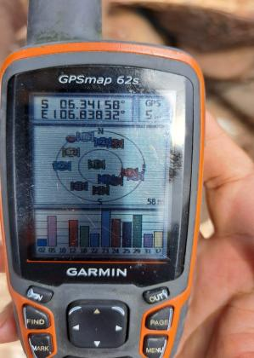

GPS DMS

Suroundings
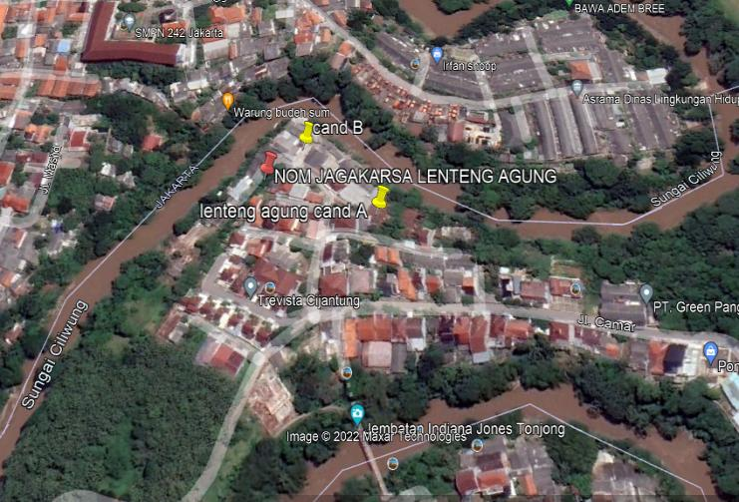
PHOTOGRAPH DOCUMENTARY
 | Site No. | : | JAW-JK-KYB-0273 | Project | : | B2S NEWSITE PROJECT
 | Site Name | : | JAGAKARSA LENTENG AGUNG | Location | : | JABOTABEK
 | Visit Date | : | 7-Nov-22 | Prepared by | : | 0
 | Surveyor | : | teguh

0,30
PHOTOGRAPH DOCUMENTARY
Site No. | : | JAW-JK-KYB-0273 | Project | : | B2S NEWSITE PROJECT
Site Name | : | JAGAKARSA LENTENG AGUNG | Location | : | JABOTABEK
Visit Date | : | 7-Nov-22 | Prepared by | : | 0
Surveyor | : | teguh

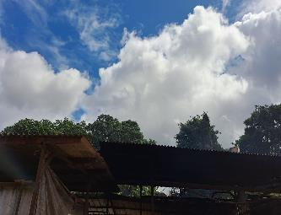

Panoramic 0º

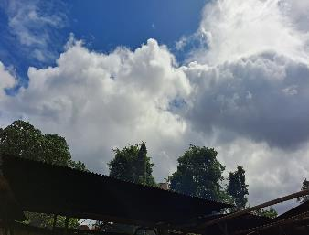

Panoramic 30º

60,90
PHOTOGRAPH DOCUMENTARY
Site No. | : | JAW-JK-KYB-0273 | Project | : | B2S NEWSITE PROJECT
Site Name | : | JAGAKARSA LENTENG AGUNG | Location | : | JABOTABEK
Visit Date | : | 7-Nov-22 | Prepared by | : | 0
Surveyor | : | teguh

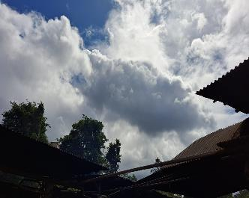

Panoramic 60º

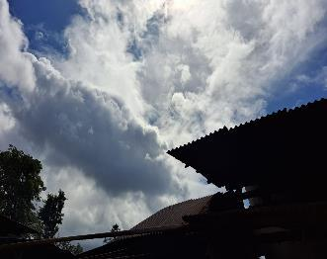

Panoramic 90º

120,150
PHOTOGRAPH DOCUMENTARY
Site No. | : | JAW-JK-KYB-0273 | Project | : | B2S NEWSITE PROJECT
Site Name | : | JAGAKARSA LENTENG AGUNG | Location | : | JABOTABEK
Visit Date | : | 7-Nov-22 | Prepared by | : | 0
Surveyor | : | teguh

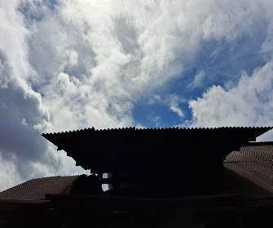

Panoramic 120º

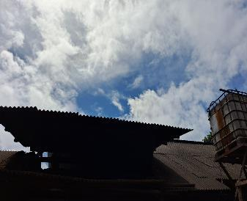

Panoramic 150º

180,210
PHOTOGRAPH DOCUMENTARY
Site No. | : | JAW-JK-KYB-0273 | Project | : | B2S NEWSITE PROJECT
Site Name | : | JAGAKARSA LENTENG AGUNG | Location | : | JABOTABEK
Visit Date | : | 7-Nov-22 | Prepared by | : | 0
Surveyor | : | teguh

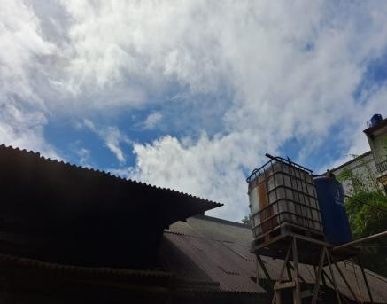

Panoramic 180º

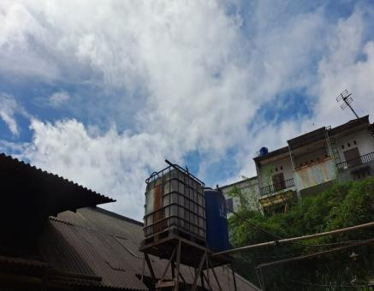

Panoramic 210º

240, 270
PHOTOGRAPH DOCUMENTARY
Site No. | : | JAW-JK-KYB-0273 | Project | : | B2S NEWSITE PROJECT
Site Name | : | JAGAKARSA LENTENG AGUNG | Location | : | JABOTABEK
Visit Date | : | 7-Nov-22 | Prepared by | : | 0
Surveyor | : | teguh

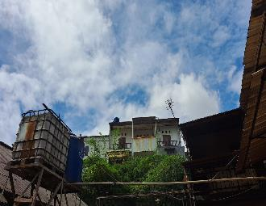

Panoramic 240º

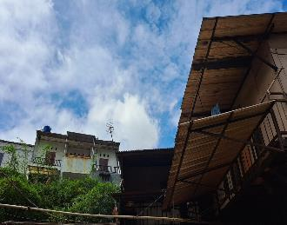

Panoramic 270º

300, 330
PHOTOGRAPH DOCUMENTARY
Site No. | : | JAW-JK-KYB-0273 | Project | : | B2S NEWSITE PROJECT
Site Name | : | JAGAKARSA LENTENG AGUNG | Location | : | JABOTABEK
Visit Date | : | 7-Nov-22 | Prepared by | : | 0
Surveyor | : | teguh

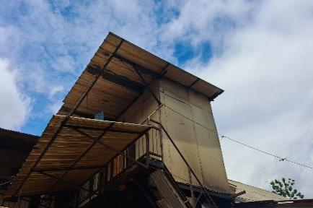

Panoramic 300º

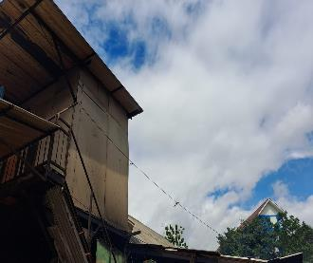

Panoramic 330º

RBS
PHOTOGRAPH DOCUMENTARY
Site No. | : | JAW-JK-KYB-0273 | Project | : | B2S NEWSITE PROJECT
Site Name | : | JAGAKARSA LENTENG AGUNG | Location | : | JABOTABEK
Visit Date | : | 7-Nov-22 | Prepared by | : | 0
Surveyor | : | teguh

Panoramic 60º

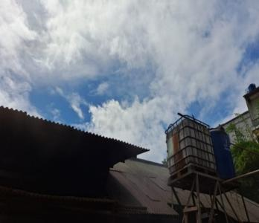

Panoramic 180º

Panoramic 300º

depan,belakang
PHOTOGRAPH DOCUMENTARY
Site No. | : | JAW-JK-KYB-0273 | Project | : | B2S NEWSITE PROJECT
Site Name | : | JAGAKARSA LENTENG AGUNG | Location | : | JABOTABEK
Visit Date | : | 7-Nov-22 | Prepared by | : | 0
Surveyor | : | teguh

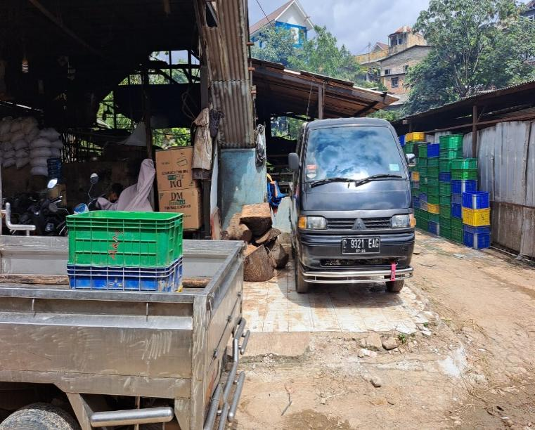

TAMPAK BAGIAN DEPAN SITE

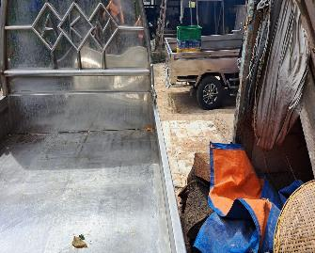

TAMPAK BAGIAN BELAKANG SITE

kiri,kanan
PHOTOGRAPH DOCUMENTARY
Site No. | : | JAW-JK-KYB-0273 | Project | : | B2S NEWSITE PROJECT
Site Name | : | JAGAKARSA LENTENG AGUNG | Location | : | JABOTABEK
Visit Date | : | 7-Nov-22 | Prepared by | : | 0
Surveyor | : | teguh

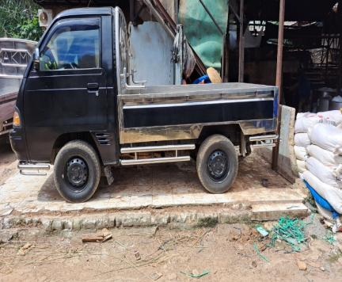

TAMPAK BAGIAN KANAN SITE

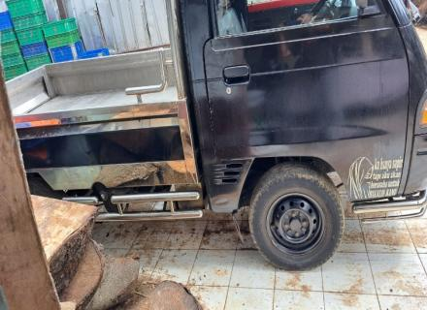

TAMPAK BAGIAN KIRI SITE

PANORAMA 0O
PANORAMA 30O
PANORAMA 60O
PANORAMA 90O
PANORAMA 120O
PANORAMA 150O
PANORAMA 180O
PANORAMA 210O
PANORAMA 240O
PANORAMA 270O
PANORAMA 300O
PANORAMA 330O

RBB ANTENNA SECTOR
PANORAMA 0O
PANORAMA 0O
PANORAMA 0O
PANORAMA 0O

SITE LOCATION
TAMPAK DEPAN
TAMPAK BELAKANG
TAMPAK KIRI
TAMPAK KANAN

PLN/POWER POLE,TRAFO

SITE ACCESS TO SITE

Site Location
PHOTOGRAPH DOCUMENTARY
Site No. | : | JAW-JK-KYB-0273 | Project | : | B2S NEWSITE PROJECT
Site Name | : | JAGAKARSA LENTENG AGUNG | Location | : | JABOTABEK
Visit Date | : | 7-Nov-22 | Prepared by | : | 0
Surveyor | : | teguh

Proposed

site access
PHOTOGRAPH DOCUMENTARY
Site No. | : | JAW-JK-KYB-0273 | Project | : | B2S NEWSITE PROJECT
Site Name | : | JAGAKARSA LENTENG AGUNG | Location | : | JABOTABEK
Visit Date | : | 7-Nov-22 | Prepared by | : | 0
Surveyor | : | teguh

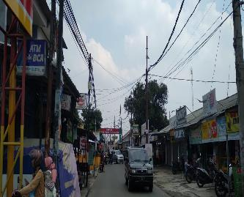

SITE ACCESS TO SITE

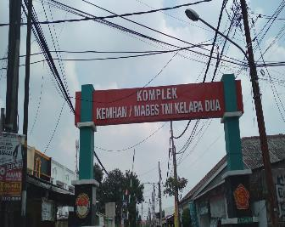

SITE ACCESS TO SITE

PHOTOGRAPH DOCUMENTARY
Site No. | : | JAW-JK-KYB-0273 | Project | : | B2S NEWSITE PROJECT
Site Name | : | JAGAKARSA LENTENG AGUNG | Location | : | JABOTABEK
Visit Date | : | 7-Nov-22 | Prepared by | : | 0
Surveyor | : | teguh

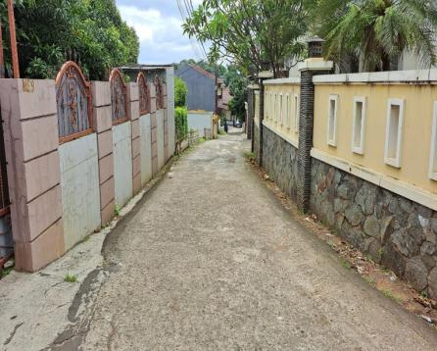

SITE ACCESS TO SITE

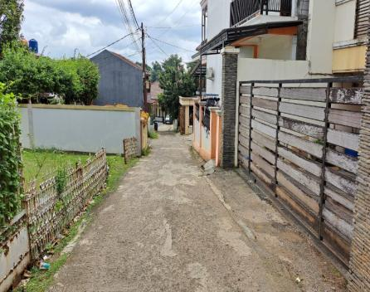

SITE ACCESS TO SITE

PHOTOGRAPH DOCUMENTARY
Site No. | : | JAW-JK-KYB-0273 | Project | : | B2S NEWSITE PROJECT
Site Name | : | JAGAKARSA LENTENG AGUNG | Location | : | JABOTABEK
Visit Date | : | 7-Nov-22 | Prepared by | : | 0
Surveyor | : | teguh

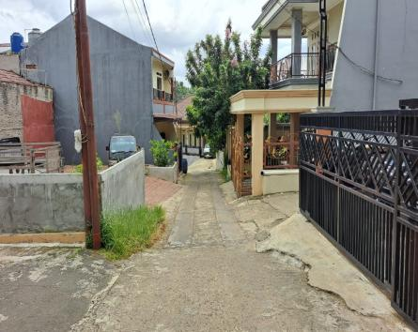

SITE ACCESS TO SITE

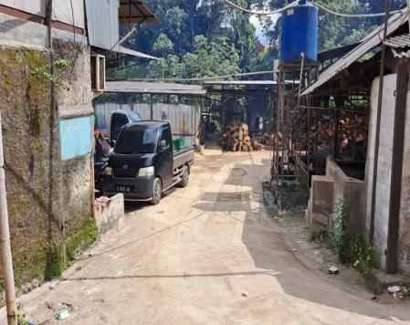

SITE ACCESS TO SITE

PLN
PHOTOGRAPH DOCUMENTARY
Site No. | : | JAW-JK-KYB-0273 | Project | : | B2S
Site Name | : | JAGAKARSA LENTENG AGUNG | Location | : | JABOTABEK
Visit Date | : | 7-Nov-22 | Prepared by | : | 0
Surveyor | : | teguh

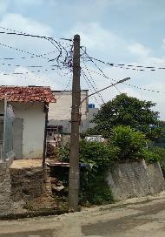

POLE PLN terdekat jarak +20meter

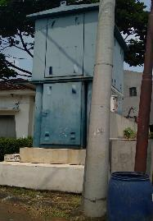

TRAFO PLN terdekat jarak + 100 meter

Site Situasi
PHOTOGRAPH DOCUMENTARY
Site No. | : | JAW-JK-KYB-0273 | Project | : | B2S
Site Name | : | JAGAKARSA LENTENG AGUNG | Location | : | JABOTABEK
Visit Date | : | 7-Nov-22 | Prepared by | : | 0
Surveyor | : | teguh

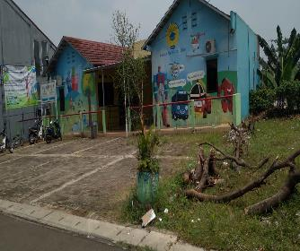

SITE SITUATION 1

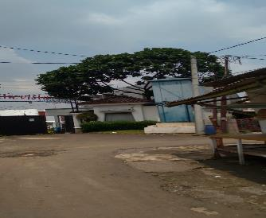

SITE SITUATION 2

Peta dan Layout
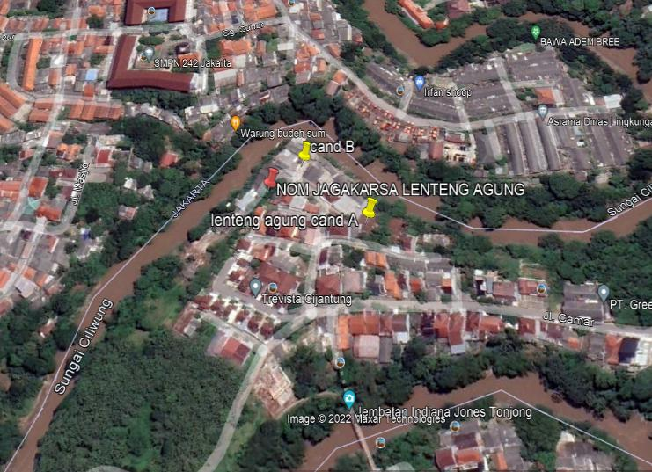
PHOTOGRAPH DOCUMENTARY
Site No. | : | JAW-JK-KYB-0273 | Project | : | B2S
Site Name | : | JAGAKARSA LENTENG AGUNG | Location | : | JABOTABEK
Visit Date | : | 7-Nov-22 | Prepared by | : | 0
Surveyor | : | teguh

PETA LOKASI

